Answer1
Highlight duplicates in a list

Company | Price | Change | % Change | P/E | Volume | YTD change
FLWS 1-800-Flowers.Com Inc | 6.19 | -0.035 | -0.56% | 25.8 | 124.2K | 68.53%
FCCY 1st Constitution Bancorp | 8.95 | -0.019 | -0.21% | 10.4 | 2.8K | 7.28%
SRCE 1st Source Corp | 23.54 | -0.16 | -0.68% | 11.5 | 4.4K | 6.56%
FCTY 1st Century Bancshares Inc | 5.88 | -0.02 | -0.34% | 17.8 | 10.3K | 27.52%
VNET 21Vianet Group Inc | 9.32 | -0.21 | -2.20% | -- | 60.2K | -3.02%
SSRX 3SBio Inc | 16.52 | -0.01 | -0.06% | -- | 4.4K | 21.11%
JOBS 51job Inc | 58.54 | -1.88 | -3.11% | 51.8 | 28.1K | 25.22%
EGHT 8x8 Inc | 7.58 | 0.05 | 0.66% | 7 | 267.4K | 2.71%
ATX A T Cross Co | 13.8 | 0.2 | 1.47% | 19.7 | 5.5K | 28.01%
SHLM A. Schulman Inc | 28.31 | 0.58 | 2.09% | 16.2 | 114.3K | -2.16%
AAON AAON Inc | 30.15 | 0.08 | 0.27% | 27.2 | 40.9K | 44.47%
FUBC 1st United Bancorp Inc | 6.55 | -0.01 | -0.15% | 38.5 | 4.0K | 4.80%
ASTM Aastrom Biosciences Inc | 0.59 | 0.0349 | 6.23% | NM | 133.8K | -52.79%
ABAX Abaxis Inc | 45.89 | 0.24 | 0.53% | 37.2 | 66.7K | 23.69%
ABMD Abiomed Inc | 22.53 | 1.46 | 6.93% | 60.5 | 671.8K | 67.63%
AXAS Abraxas Petroleum Corp | 2.31 | -0.101 | -4.19% | NM | 227.1K | 5.43%
ACTG Acacia Research Corp | 23.79 | 0.02 | 0.08% | 78.7 | 172.2K | -7.28%

Intermediate step
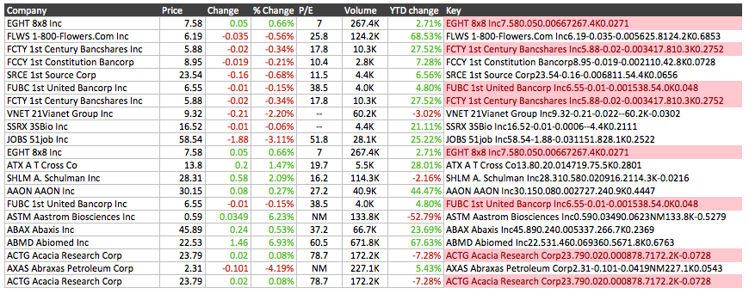

http://exceljet.net

