Sheet1
Volume of a sphere

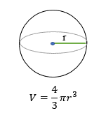
Radius (u) | Volume (u3)
1 | 4.19
2 | 33.51
3 | 113.10
4 | 268.08
5 | 523.60
6 | 904.78
7 | 1436.76
8 | 2144.66
9 | 3053.63
10 | 4188.79
11 | 5575.28

